Sheet1


PES/AMR/002/08/23 |  |  |  |  |  |  |  | 2023-08-17

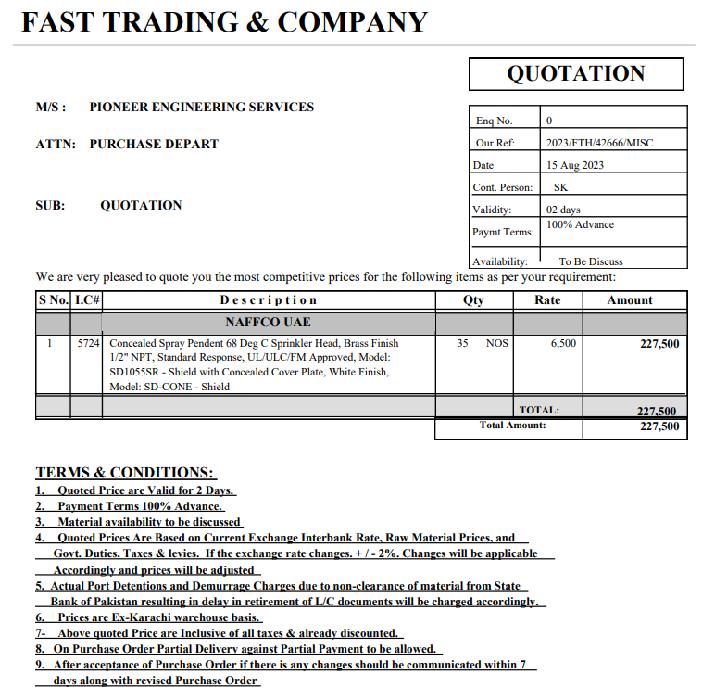

Attn: Mr. Taha Ghaznevi

Variation order for Sprinklers - Amreli Office DMC Karachi

S. # | Description | Material Rate | Labour Rate | Over Head profit 20% | Tax 7.5% | Unit | Qty | Amount
1 | Supply and installation of Concealed pendent sprinkler with cover. | 6,500 | 1,500 | 1,600 | 720 | No | 32 | 330,240
Total Amount Rs. |  |  |  |  |  |  |  | 330,240

Thanking you,

For PIONEER ENGINEERING SERVICES.

Bilal Habib

